Datailed Inquiry Information
Detailed Inquiry Information

 | PLEASE PROVIDE EVIDENCE OF REQUEST / DETAILS OF REQUEST HERE (IN DETAIL).

 | Cannot find SR Number in SR Cancellation
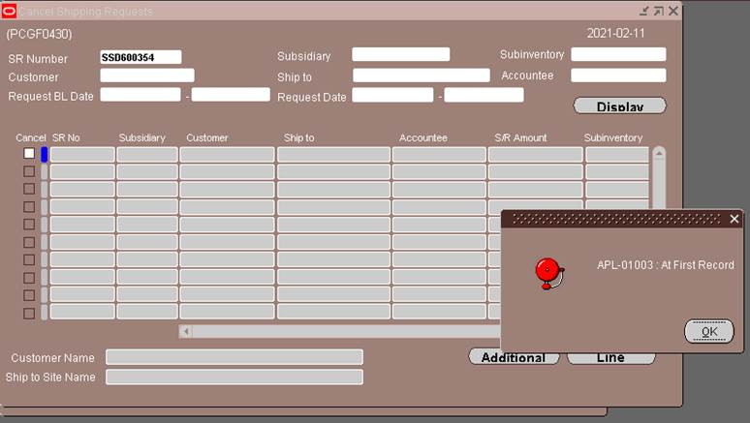

 | Cannot find due to SR already have shipped date and Fob date

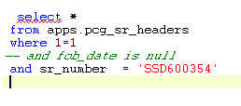

 | SR_HEADER_ID | ORGANIZATION_ID | SUBSIDIARY_CODE | SUBINVENTORY_CODE | CONNECT_FLAG | CANCEL_FLAG | SR_NUMBER | REQUESTER | AGENT_CODE | AGENT_NAME | DIVISION_CODE | SALES_DIVISION_CODE | TRADE_FLAG | INTERMEDIARY_CODE | COMMERCIAL_FLAG | CONSIGNEE_CODE | COUNTRY_CODE | LOADING_PORT_CODE | DESTINATION_CODE | DISCHARGE_PORT_CODE | SHIPPING_METHOD | BL_DATE | PAYMENT_TERM_CODE | PAYMENT_TERM | PAYMENT_TERM_PERIOD | PAYMENT_TERM_FROM | BANK_NAME | BANK_BRANCH_NAME | INTEREST | LC_NUMBER | LASTEST_SHIPMENT | EXPIRE_DATE | DELIVERY_TERM_CODE | DELIVERY_PLACE | FREIGHT_FLAG | INSURANCE_FLAG | SENDER_WAREHOUSE_CODE | PACKING_WAREHOUSE_CODE | STUFFING_WAREHOUSE_CODE | CURRENCY_CODE | SR_AMOUNT | NUMBER_OF_ITEM | REMARKS | ACCOUNTEE_CODE | ACCOUNTEE_NAME | ACCOUNTEE_ADDRESS1 | ACCOUNTEE_ADDRESS2 | SHIP_TO_SITE_CODE | SHIP_TO_SITE_NAME | SHIP_TO_SITE_ADDRESS1 | SHIP_TO_SITE_ADDRESS2 | CUSTOMER_CODE | CUSTOMER_NAME | CUSTOMER_ADDRESS1 | CUSTOMER_ADDRESS2 | REQUESTED_DATE | SHIPPED_DATE | FOB_DATE | TRANSACTION_ID | CREATED_BY | LAST_UPDATED_BY | CREATION_DATE | LAST_UPDATE_DATE | EDATA_FLAG | CCPH_SEND_FLAG | SI_NUMBER
 | 600354 | 130 | JPN | SSDPRD | 1 |  | SSD600354 | SSD-Production Control | AIR | 40 AIR | S | SD | D | E | C | T0BTDGX000L | JP | PHMNL | PHLAG | PHLAG | 40 | 2021-02-05 | TTC15I | TT | C15 | I |  |  | B |  |  |  | FCA | Manila | CC | BY | SSDPRD | SSDPRD | SSDPRD | USD | 28.73 | 1 | 48M | T0BTDGX000L | KIOXIA CORPORATION | 1-21, SHIBAURA 3-CHOME, MINATO-KU, | TOKYO 108-0023, JAPAN | PHLSSD | Toshiba Logistics Philippines Corporation | 127 North Science Ave.Laguna Technopark Inc.SEPZ, | Binan,Laguna | T0BTDGX000L | KIOXIA CORPORATION | 1-21, SHIBAURA 3-CHOME, MINATO-KU, | TOKYO 108-0023, JAPAN | 2021-02-05 | 2021-02-05 | 2021-02-05 |  | 4800 | 4861 | 2/5/21 | 2/5/21 | 1

Actual Operation Evidence
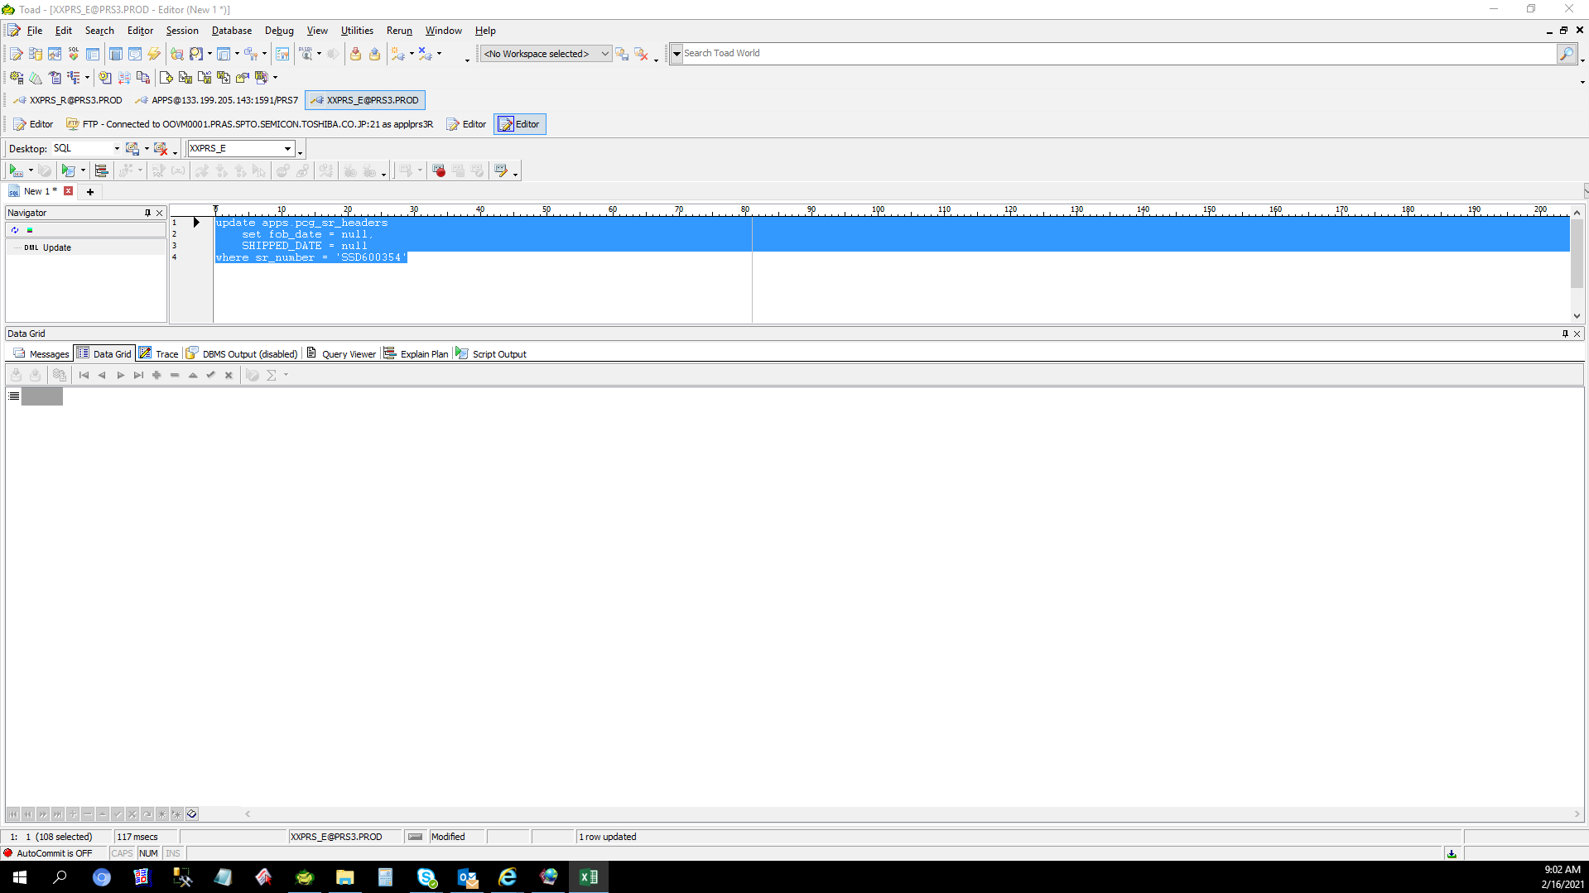
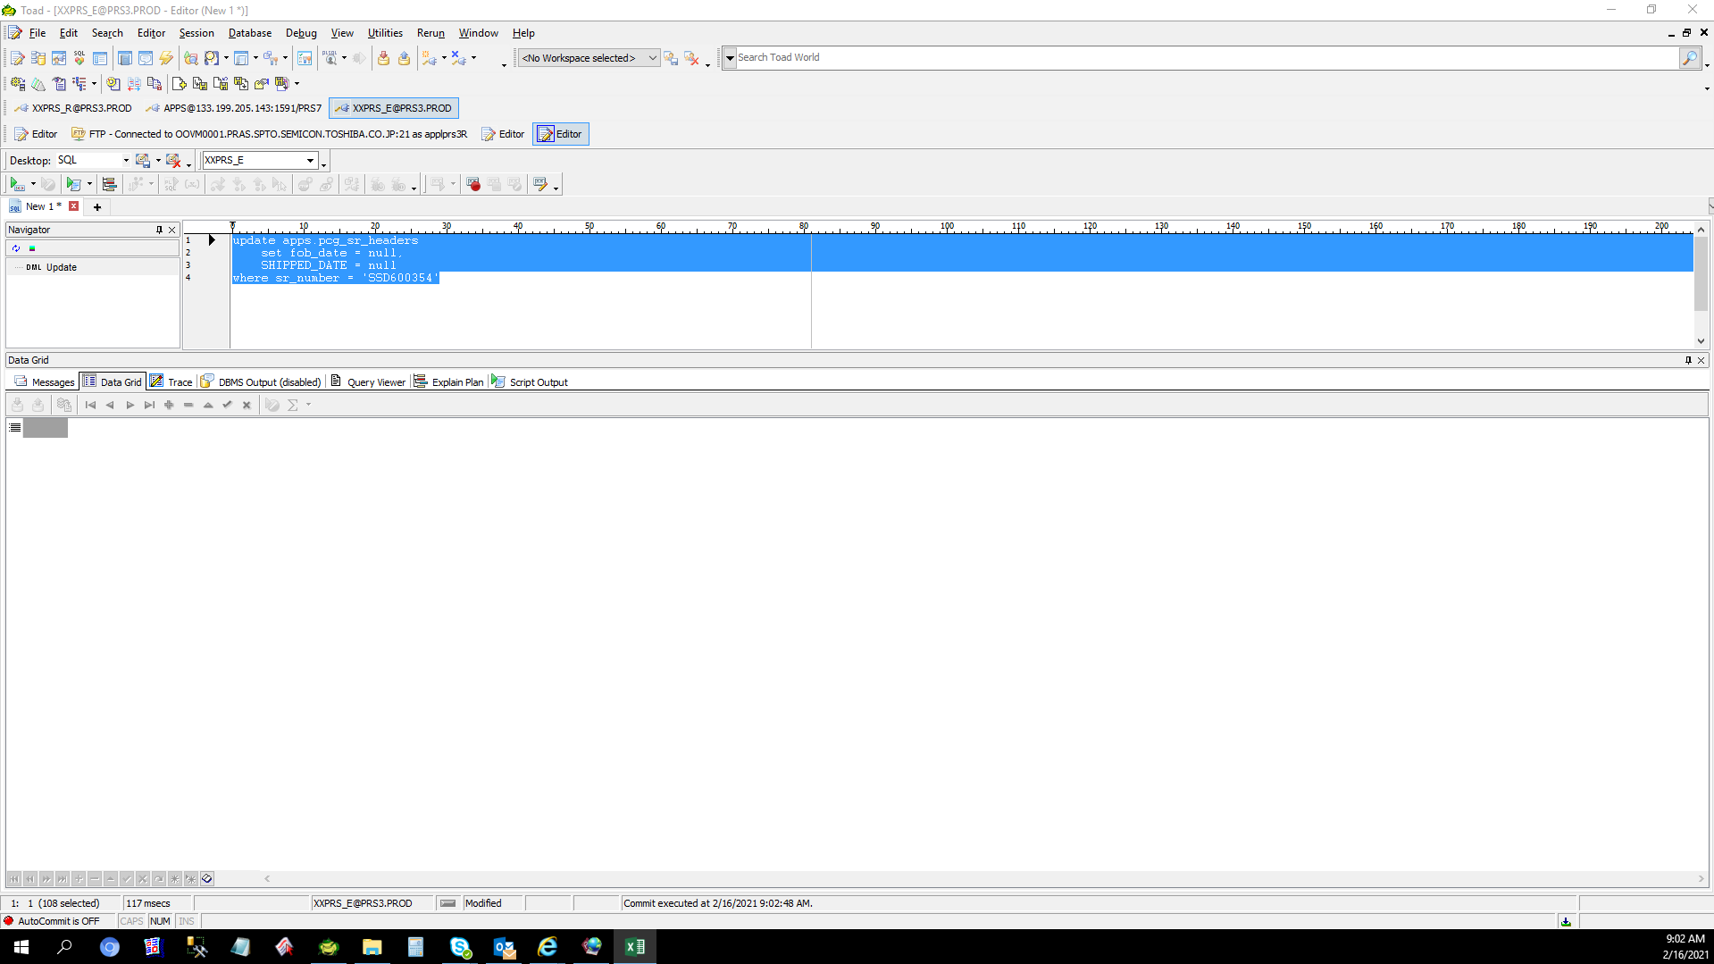
Actual Operation Evidence

Helpdesk Request
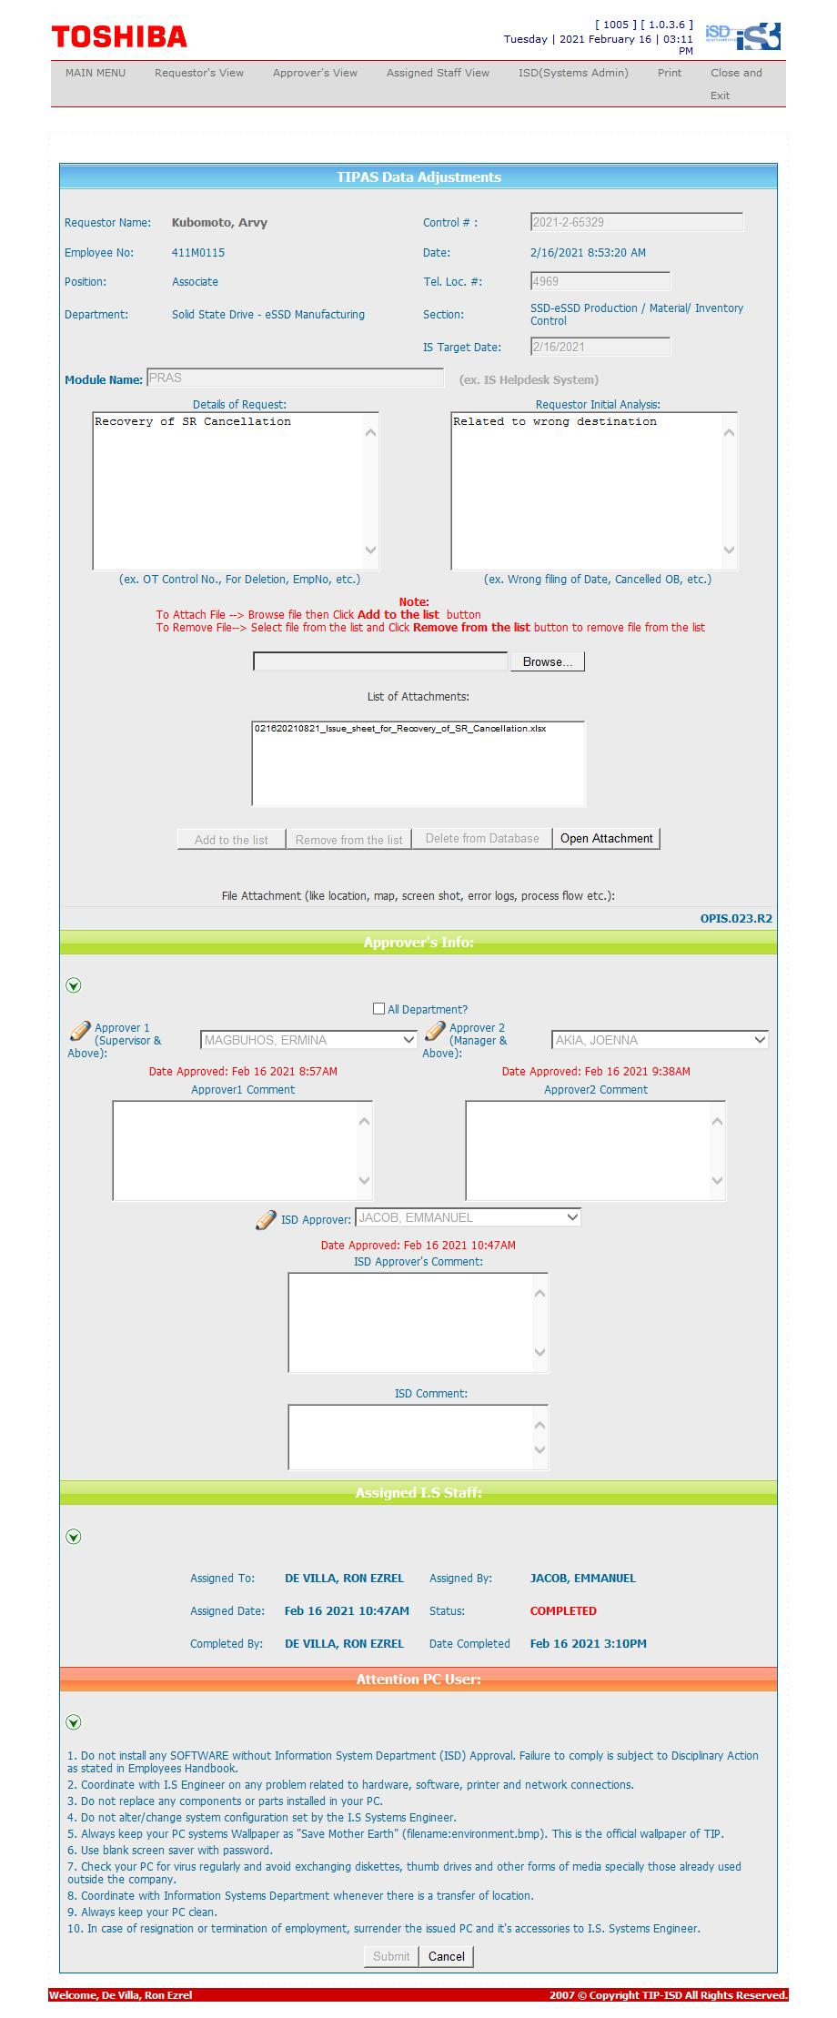
Helpdesk Request

